Dip IRM SAG
RTO: 31926
Level 5 Integrated Risk Management - Self Assessment Grid
Spend no more than 15 minutes completing this activity. If you are unsure simply put a 1 in Column A
Name: | Date: | Place a one (1) in only one of the columns labelled A, B, C or D for each element
Type Name Here | dd/mm/yyyy | I have never done or participated in this or I do not know | I have done, or do this, under supervision | I sometimes do this, or have done this during the past 3 years | I often do this, or have often done this within the past 3 years
Subject Area | Description | A | B | C | D
ERM Principles | The 9 principles of ERM are applied
Provide leadership and commitment to integrated enterprise wide risk management (IERMF) | Prepared the organisation for the development of an IERMF
 | Promoted the need for leadership, commitment and integration
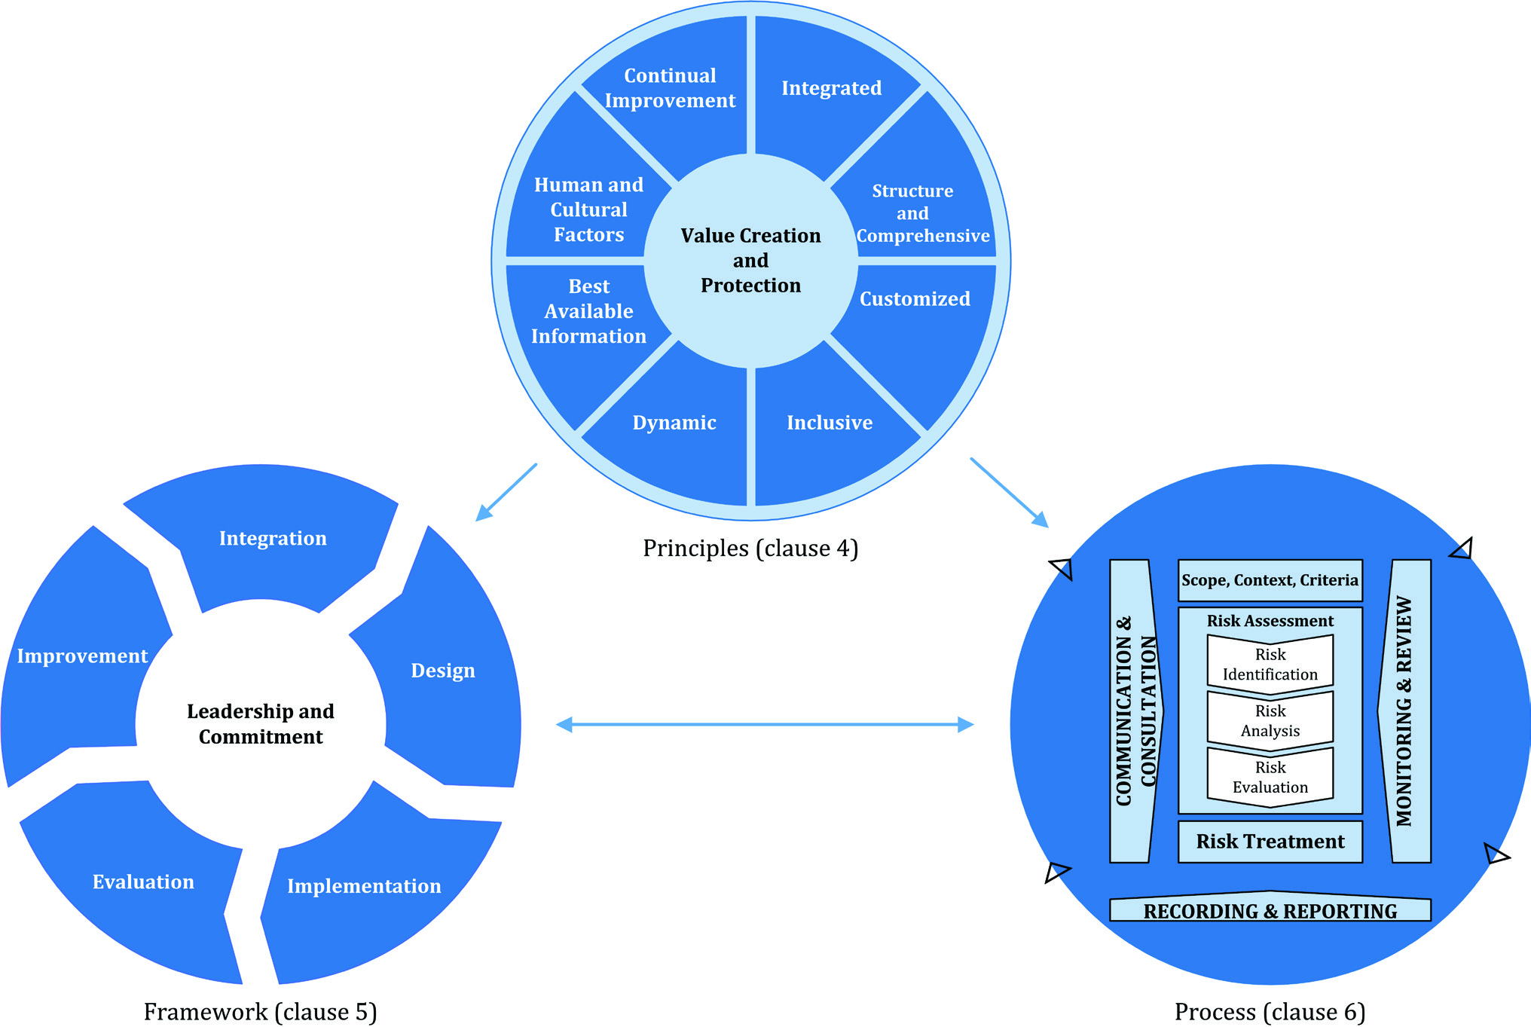
Design the IERMF | Reviewed the organisational context
 | Prepared the IERMF implementation plan
 | Developed the IERMF
Implementation of the IERMF | Socialised the IERMF
 | Applied the risk management process steps
Monitor the IERMF | Monitored progress of the IERMF
 | Reported on effectiveness of the IERMF
Continuously Improve the IERMF | Identified and analysed the impact of changes to the IERMF
 | Reported and recommended area for improvement of the IERMF
 | Implemented areas of improvement for the IERMF
Risk Technology (Software) | Analysed organisational functional risk software requirements |  |  |  |  | ISO 31000:2018
 | Sourced suitable software applications and suppliers
 | Supervised the integration of selected risk software application
 | Evaluated the effectiveness of the risk software solution
Implement Business Continuity Management (BCM) | Prepared the organisation for BCM
 | Delivered BCM
 | Monitored and reviewed the BCM system
 | Maintained the BCM system
 |  | 0 | 0 | 0 | 0

 | Your Score | 0

 |  | Result Range | Initial Recommendation
 |  | 0 to 40 | Attend the Certificate IV in Integrated Risk Management as a first step. Contact our team on (07) 33432924 or info@itpl.com.au
 |  | 41 to 59 | Attend the Diploma in Integrated Risk Management facilitated workshops. Contact our team on (07) 33432924 or info@itpl.com.au
 |  | 60 to 70 | A mentored development pathway is more likely the best option to achieve your Diploma in Integrated Risk Management with a focus on those specific areas requiring attention. Contact our team on (07) 33432924 or info@itpl.com.au
 |  | 71 to 84 | Go through an RPL process to achieve your Diploma in Integrated Risk Management. Contact our team on (07) 33432924 or info@itpl.com.au

